Group 1
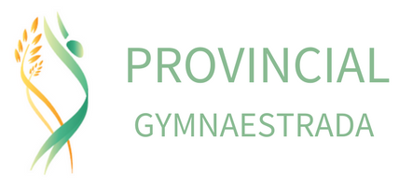

Group Name & Club:

Group Coach:

Email:

# of athletes:

Mass Routine:

GALA ROUTINE INFORMATION

Name of Routine | Apparatus | Length of Music

ATHLETE INFORMATION

Last Name | First Name | DOB (D/M/Y) | Also attending workshops?

