Sheet1

 |  |  |  | 300 - 1734 Elphinstone Street, Regina SK S4T 1K1 Phone 306-780-9229 Fax 306-780-9475
 |  |  | Email: info@gymsask.com Web: www.gymsask.com
 |  |  |  |  |  | The Odyssey Fund - A Legacy to Saskatchewan Gymnastics Excellence
 |  |  |  | EXPENSE/DONATION FORM 2021-2022
 |  |  | FILL IN GREEN HIGHLIGHTED BOXES

EXPENSES INCURRED WHILE ATTENDING: |  |  |  | TRAVEL COSTS
Name of Event: |  |  |  |  | Kms @ .50 cents/km |  |  | $ | $0.00
Dates of Event: |  |  |  | OTHER EXPENSES (gas/baggae) (receipts must be included)
Location of Event: |  |  |  |  |  |  |  | $

 |  |  |  | ACCOMMODATION COSTS (attach receipts)
I hereby certify the expenses in this form were incurred on Gym Sask business. |  |  |  |  | Nights @ |  | per night | $ | $0.00
SUBMITTED BY | PLEASE TYPE OUT
Cheque Payable Name: |  |  |  | MEALS
Address: |  |  |  |  | Breakfasts @ $11.00 each |  |  | $ | $0.00
 |  |  |  |  | Lunches @ $17.00 each |  |  | $ | $0.00
City/Prov: |  |  |  |  | Suppers @ $27.00 each |  |  | $ | $0.00
Postal Code: |  |  |  |  | Max $55.00 per day |  |  | $ | $0.00
Date Submitted:
Signature |  |  |  | CLINICIAN/OTHER HONORARIA
 |  |  |  |  | Hours @ |  | per hour | $ | $0.00
 | You can make these gifts to the Odyssey Fund as often as you like. |  |  | OTHER EXPENSES (receipts must be included)
 | You will feel good about financially supporting gymnastics. At the end |  |  |  |  |  |  | $
 | of the year you will receive an income tax receipt for the total amount |  |  |  |  |  |  | $
 | donated. To make a donation, please complete the form below.
 | DONATION INFORMATION REQUIRED |  |  |  | TOTAL CLAIM |  |  | $ | $0.00
I would like to direct my donation to: (check one) |  |  |  | YES, I want to support gymnastics in Saskatchewan
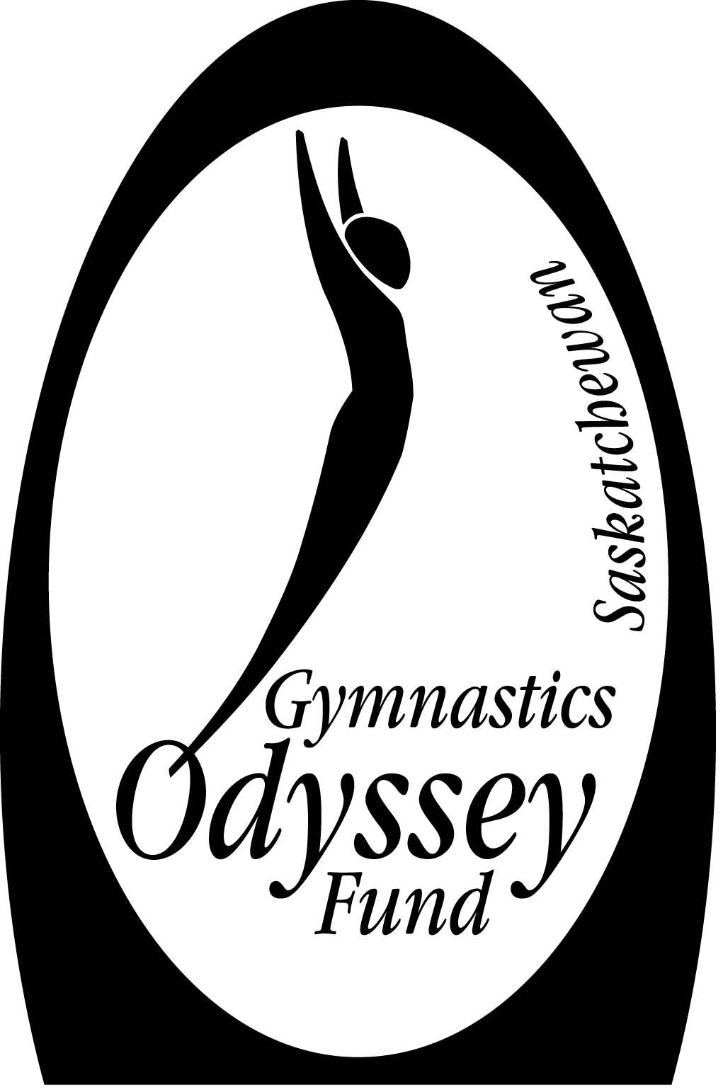
 |  |  |  | by donating a portion of my expenses |  |  |  | $
EDUCATION FUND |  |  |  |  |  |  |  |  | (amount of donation)
(Coaches/Judges) |  |  |  | NET CLAIM (only if you donate above) |  |  |  | $ | $0.00

CHAMPIONS FUND
(Athletes) |  |  |  | By contributing to the Odyssey Fund, you can help
 |  |  |  | ensure that others can share some of the wonderful
Donor's Name: |  |  |  | experiences of being involved in gymnastics.

first name |  | initial | last name
As consistent with Revenue Canada guidelines, I realize that this donation is made |  |  |  |  |  |  | For office use only:
voluntarily without any conditions and no benefits will accrue to me. |  |  |  |  |  |  | Approved by:
 |  |  |  |  |  |  | Cheque #:
Signature Required |  |  | date

